Sheet1
 | picture | Original | license | Attribution
1 | 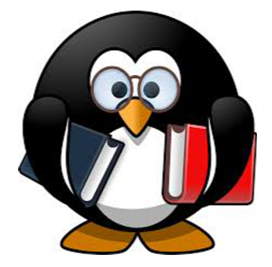 |  | https://pixabay.com/vectors/tux-animal-bird-book-books-161406/
2 | 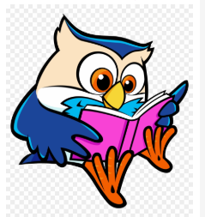 |  | https://www.clipartmax.com/middle/m2i8i8G6i8A0m2b1_book-lists-and-resources-for-children-owl-in-nest-clipart/ | <a href="https://www.clipartmax.com/middle/m2i8i8G6i8A0m2b1_book-lists-and-resources-for-children-owl-in-nest-clipart/" target="_blank">Book Lists And Resources For Children - Owl In Nest Clipart
3 |  |  | https://pixabay.com/vectors/reading-squirrel-comic-glasses-book-306992/
4 | 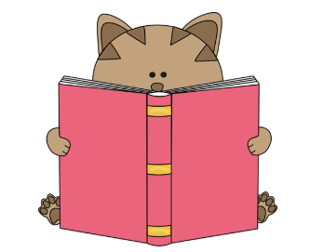 |  | https://www.clipart.email/download/103494.html | <a href="https://www.clipart.email/">clipart.email</a>
5 | 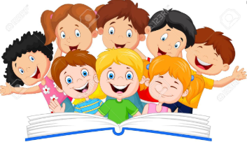 |  | https://www.123rf.com/clipart-vector/kids_reading_book.html?sti=mnq0nuw92jbbt55n78|&mediapopup=42070390
6 |  |  | https://www.clipart.email/download/3176928.html | <a href="https://www.clipart.email/">clipart.email</a>
7 |  |  | http://pluspng.com/png-140842.html | <a href="http://pluspng.com/animals-reading-png-hd-8232.html" title="Image from pluspng.com"><img src="http://pluspng.com/img-png/animals-reading-png-hd-free-reading-clip-art-of-reading-owl-clip-art-image-for-your-personal-projects-presentations-or-web-designs-1088.png" alt="Animals Reading PNG HD"></a>
8 | 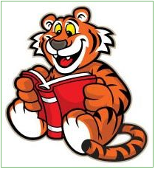 |  | https://www.clipartwiki.com/iclip/TbboJw_amazing-school-clipart-tigers-illustration-tiger-reading-a/
9 |  |  | https://www.disneyclips.com/images/toystory.html | <a href="https://www.disneyclips.com/images/toystory.html"></a>
10 |  |  | https://www.vecteezy.com/vector-art/361966-a-monkey-sitting-while-reading-a-book | <a href="https://www.vecteezy.com/free-vector/reading">Reading Vectors by Vecteezy</a>
11 |  | 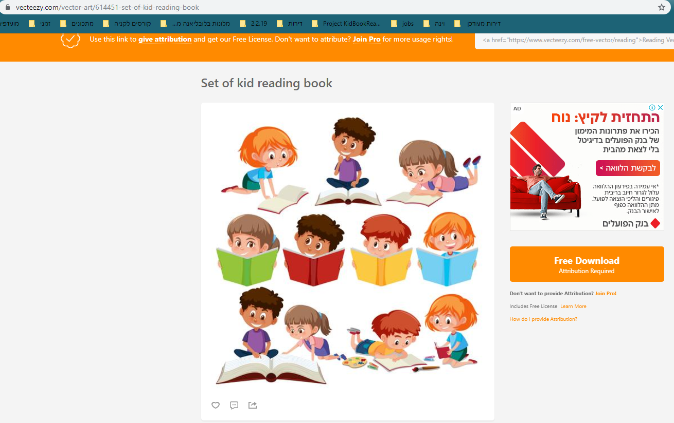 | https://www.vecteezy.com/vector-art/614451-set-of-kid-reading-book | <a href="https://www.vecteezy.com/free-vector/reading">Reading Vectors by Vecteezy</a>

